Sheet1
 |  |  |  |  | Decision Tree

 |  |  | Label |  |  |  |  | S = Total Sample = 10
Age | Competition | Type | Profit |  | Age - > Profit |  |  | Entropy (S) = - [5/10 log (5/10) + 5/10 log (5/10)] = 1
Old | Yes | S/W | Down |  |  | Down | Up
Old | No | S/W | Down |  | Old (3) | 3 | 0
Old | No | H/W | Down |  | Middle(4) | 2 | 2
Middle | Yes | S/W | Down |  | New(3) | 0 | 3
Middle | Yes | H/W | Down
Middle | No | H/W | Up | Entropy (S(v1)) = Entropy(old) = -[ 3/3 log(3/3) + 0/3 log(0/3) ] =0 then Entropy (S(v1))*S(v1)/S = 0* 3/10=0
Middle | No | S/W | Up | Entropy (S(v2)) = Entropy(Middle) = -[ 2/4 log(2/4) + 2/4 log(2/4) ] =1 then Entropy (S(v1))*S(v1)/S = 1 * 4/10=0.4 |  |  |  |  |  | E(S,Age) = 1-(0+0.4+0)=0.6
New | Yes | S/W | Up | Entropy (S(v3)) = Entropy(New) = -[ 0/3 log(0/3) + 3/3 log(3/3) ] = 0 then Entropy (S(v1))*S(v1)/S = 0 * 3/10 = 0
New | No | H/W | Up
New | No | S/W | Up |  | Competition -> Profit
 |  |  |  |  |  | Down | Up
 |  |  |  |  | Yes | 3 | 1
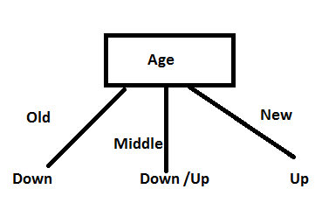
 |  |  |  |  | No | 2 | 4

 |  |  |  | Entropy (S(v1)) = Entropy(yes) = -[ 3/4 log(3/4) + 1/4 log(1/4) ] = 0.811278 then Entropy (S(v1))*S(v1)/S = 0.80 * 4/10=0.324511 |  |  |  |  |  | E(S.Competition)=1-(0.324+0.550)=0.124
 |  |  |  | Entropy (S(v2)) = Entropy(no) = -[ 2/6 log(2/6) + 4/6 log(4/6) ] = 0.918296 then Entropy (S(v1))*S(v1)/S = 0.918296 * 6/10= 0.550978

 |  |  |  |  | Type -> Profit
 |  |  |  |  |  | Down | Up
 |  |  |  |  | S/W | 3 | 3
 |  |  |  |  | H/W | 2 | 2

 |  |  |  | Entropy (S(v1)) = Entropy(s/w) = -[ 3/6 log(3/6) + 3/6 log(3/6) ] = 1 then Entropy (S(v1))*S(v1)/S = 1 * 6/10=0.6 |  |  |  |  |  | E(S.Type)=1-(0.6+0.4)=0
 |  |  |  | Entropy (S(v2)) = Entropy(H/W) = -[ 2/4 log(2/4) + 2/4 log(2/4) ] = 1 then Entropy (S(v1))*S(v1)/S = 1 * 4/10= 0.4

Root |  |  |  |  |  |  |  | S = Total Sample = 4 | S (After selection Middle)
Age | Competition | Type | Profit |  |  |  |  | Entropy (S) = - [2/4 log (2/4) + 2/4 log (2/4)] = 1
Middle | Yes | S/W | Down
Middle | Yes | H/W | Down |  | Competition -> Profit
Middle | No | H/W | Up |  |  | Down | Up
Middle | No | S/W | Up |  | Yes | 2 | 0
 |  |  |  |  | No | 0 | 2
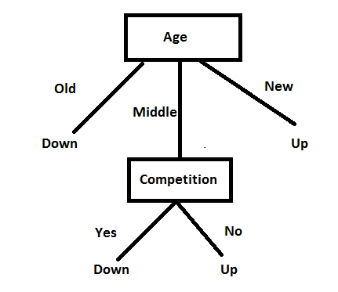
 |  |  |  | Entropy (S(v1)) = Entropy(yes) = -[ 2/2 log(2/2) + 0/2 log(0/2) ] = 0 then Entropy (S(v1))*S(v1)/S = 0 * 2/4=0 |  |  |  |  |  | E(S.Competition)=1
 |  |  |  | Entropy (S(v2)) = Entropy(no) = -[ 2/6 log(2/6) + 4/6 log(4/6) ] = 0.918296 then Entropy (S(v1))*S(v1)/S = 0.918296 * 6/10= 0.550978

 |  |  |  |  | Type -> Profit
 |  |  |  |  |  | Down | Up
 |  |  |  |  | S/W | 1 | 1
 |  |  |  |  | H/W | 1 | 1

 |  |  |  | Entropy (S(v1)) = Entropy(s/w) = -[ 1/2 log(1/2) + 1/2 log(1/2) ] = 1 then Entropy (S(v1))*S(v1)/S = 1 * 1/2=0.5 |  |  |  |  |  | E(S.Type)=0
 |  |  |  | Entropy (S(v1)) = Entropy(h/w) = -[ 1/2 log(1/2) + 1/2 log(1/2) ] = 1 then Entropy (S(v1))*S(v1)/S = 1 * 1/2=0.5
 |  |  |  |  |  |  |  |  |  |  | Sumon Ghosh

